1. Title Page
Instacart Grocery Basket Analysis

Project Name: : Instacart Grocery Basket Analysis
Date: 13 Jan 2025
Analyst Name: Shikha Kamboj

Contents:
Population Flow
Consistency checks
Wrangling steps
Column derivations
Visualizations
Recommendations

Data Source: | “The Instacart Online Grocery Shopping Dataset 2017”, Accessed from www.instacart.com/datasets/grocery-shopping-2017 via Kaggle on 1 Jan 2025.

2. Population Flow
Title page

Population flow

Exclusion flag
Condition: max_order < 5
Obervations to be removed: 1440295
Final total count of order_products_all: 30964564

Key:'product_id'
Key:'order_id'

Orders_products_combined
Orders_products_merged
Orders_products_all

Total: 32404859
Total: 32640698
Total: 30964564

1.) The grey boxes in the first row of the population flow represent the original data sets as they were when you downloaded them. In the Total fields you need to add the count of the rows when you imported the data set into Jupyter.
2.) The second row of boxes (coloured) represents the data sets after you manipulated them, e.g., removed missing values and duplicates. In the Total fields you need to add the count of the rows after conducting these operations. This offers a visual oveview of how the data flows throughout the data consistency checks.
3.) The third row, where also the arrows are coloured, represents the merges you performed between the datasets. In the Total fields you need to add the count of the rows in the merged datasets, so that you end up with the final dataset (in the red box). Keep in mind the final dataset should be without exclusions (based on the exclusion flag).

3. Consistency checks
 |  |  |  | Title page
Consistency checks

Dataset | Missing values | Missing values treatment | Duplicates
orders | 206209 (In days_since_prior_order column) | First-Time Orders (order_number == 1): Fill missing values with 0, representing no previous order. | No duplicates found
products | 16 (In product_name column) | Missing values column datatype is string, hence not required to fill. | Dropped 5 duplicates.
orders_products_prior | None | N/A | No duplicates found
customers | None | N/A | No duplicates found

4. Wrangling steps
 |  |  |  |  | Title page
Wrangling steps

Data Set | Columns dropped | Columns renamed | Columns' type changed | Comment/Reason
orders.csv | eval_set |  |  | Irrelevnt for our analysis
 |  | order_dow ---> order_day_of_the_week |  | To make it more explanatory
 |  |  | [order_id] | changed from numerical to string
 |  |  | [user_id] | changed from numerical to string
ords_prods_merged.pkl | _merge |  |  | The _merge column is from the previous merge that is not nessecary for new merge, that's why it's dropped
Customers.csv |  | First Name --> first_name |  | To make consistent and meaningful column naming
 |  | Surnam --> last_name
 |  | Gender --> gender
 |  | STATE --> state
 |  | Age --> age
 |  | n_dependents --> number_of_dependents
 |  | fam_status --> marital_status
 |  |  | [first_name] | contains mixed data_types
low_activity_customer_excluded.pkl | _merge |  |  | The _merge column is from the previous merge that is not nessecary for new merge, that's why it's dropped
departments_wrangled.csv |  | unnamed: 0 --> department_id |  | unnamed: 0 was not meaningful

5. Column derivations
 |  |  |  |  | Title page

Column derivations and aggregations

In this tab you should add tables below that the frequences of flags/label variables that you produced after deriving them. NB: don't do this for continuous variables, only for flags.
Dataset | New column | Column/s it was derived from | Conditions
ords_prods_merge.pkl | match |  | Inner merge
ords_prods_derived.pkl | price_range_loc | prices | ['prices'] > 15 = High-range product
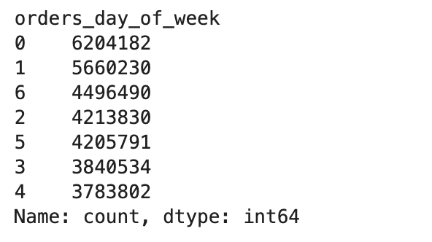
 |  |  | ['prices'] <= 15 & >5 = Mid-range product
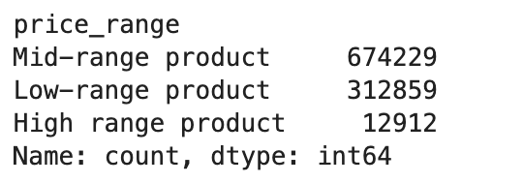
 |  |  | ['prices'] <= 5 = Low-range product
 | busiest_day | orders_day_of_week | value == 0: Busiest day
 |  |  | value == 4: Least busy
 |  |  | else : Regularly busy
 | busiest_days | orders_day_of_week | value == 0 or value == 1: Busiest days
 |  |  | value == 3 or value == 4: Slowest days
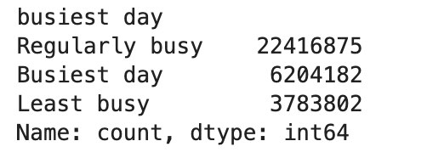
 |  |  | else : Regularly busy
 | busiest_period_of_day | order_hour_of_day | value in [10, 11, 14, 15, 13, 12, 16, 9]: Most orders
 |  |  | value in [23, 6, 0, 1, 5, 2, 4, 3]: Fewest orders
 |  |  | else : Average orders
orders_products_merged_updated.pkl | max_order | order_number | maximum order per user
 | loyalty_flag | max_order | ['max_order'] > 40 = Loyal customer
 |  |  | ['max_order'] <= 40 & >10 = Regular customer
 |  |  | ['max_order'] <= 10 = New customer
 | avg_product_price | prices | average order price per user
 | spending_flag | avg_product_price | ['avg_product_price'] < 10 = Low spender
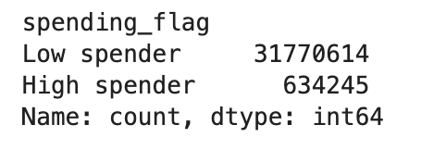
 |  |  | ['avg_product_price'] >= 10 = High spender
 | user_ordering_behavior | days_since_prior_order | marks the regularity of a user’s ordering behavior according to the median
 | frequency_flag | user_ordering_behavior | ['user_ordering_behavior'] > 20 = Non-frequent customer
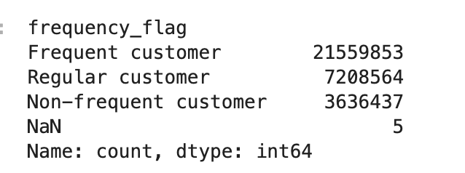
 |  |  | ['user_ordering_behavior'] <= 20 & ['user_ordering_behavior'] > 10 = Regular customer
 |  |  | ['user_ordering_behavior'] <= 10 = Frequent customer
low_activity_customer_excluded.pkl | ['region'] | state | Northeast_states = ['Maine', 'New Hampshire', 'Vermont', 'Massachusetts', 'Rhode Island', 'Connecticut', 'New York', 'Pennsylvania', 'New Jersey']
 |  |  | Midwest_states = ['Wisconsin', 'Michigan', 'Illinois', 'Indiana', 'Ohio', 'North Dakota', 'South Dakota', 'Nebraska', 'Kansas', 'Minnesota', 'Iowa', 'Missouri']
 |  |  | Southern_states = ['Delaware', 'Maryland', 'District of Columbia', 'Virginia', 'West Virginia', 'North Carolina', 'South Carolina', 'Georgia', 'Florida', 'Kentucky', 'Tennessee', 'Mississippi', 'Alabama', 'Oklahoma', 'Texas', 'Arkansas', 'Louisiana'] | 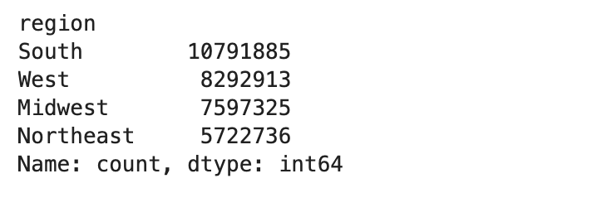
 |  |  | Western_states = ['Idaho', 'Montana', 'Wyoming', 'Nevada', 'Utah', 'Colorado', 'Arizona', 'New Mexico', 'Alaska','Washington', 'Oregon', 'California', 'Hawaii']
 | ['activity_flag'] | max_order | ['max_order'] <5 , 'activity_flag'] = 'low-activity customer'
 |  |  | ['max_order'] >= 5, 'activity_flag'] = 'high-activity customer'
 | ['age_group'] | age | ['age'] < = 25 , 'young adult'
 |  |  | ['age'] > 25& <= 40 , 'adult'
 |  |  | ['age'] > 40 & <= 65 , 'middel-aged'
 |  |  | ['age'] > 65 , 'senior'
 | ['income_group'] | income | ['income'] <= 60000, 'income_group'] = 'low-income'
 |  |  | ['income'] > 60000) & ['income'] <= 150000, 'income_group'] = 'middle-income'
 |  |  | ['income'] > 150000, 'income_group'] = 'high-income'
 | ['dependants_flag'] | number_of_dependents | number_of_dependents'] == 0, 'dependants_flag'] = 'no dependent'
 |  |  | ['number_of_dependents'] >= 1, 'dependants_flag'] = 'Dependent'

6. Visualizations
Title page

Visualisations

In this tab you should include all the visualtions from Exercises 4.9 and 4.10, alongside the questions from the project brief that they answer. Include any commentary on the relationship between different variables.

Question- 1
What are the busiest days of the week and hours of the day for orders?


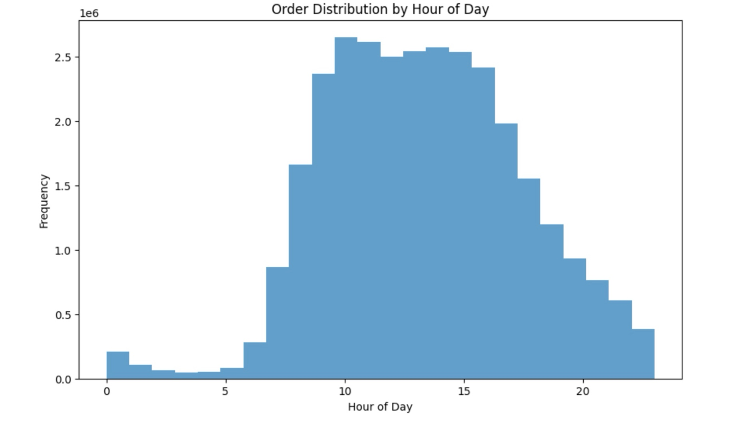

Busiest days of the week:
1. Sunday
2. Monday
3. Saturday
Busiest hour of the day:
9am-16pm

Question- 2
Are there specific times of the day when customers tend to spend the most?

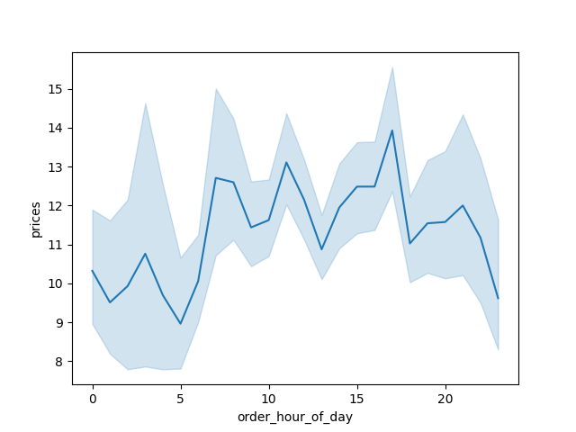
Spending by Hour of the Day
Spending by Day of Week

Left chart showsPeak spending occurs late morning to early afternoon (10 AM–1 PM).
Right chart indicates higher spending on weekends, with a drop during weekdays.
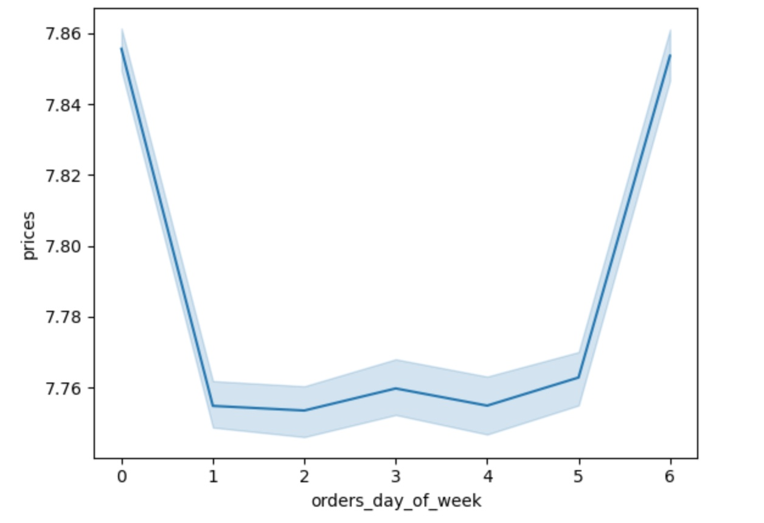

Question- 3
Are there certain products that are more popular than others?

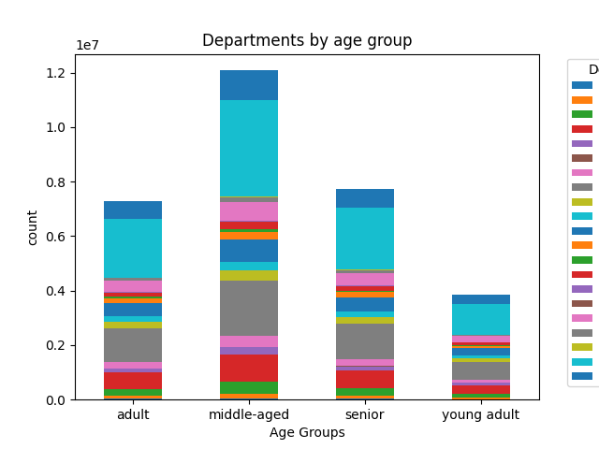
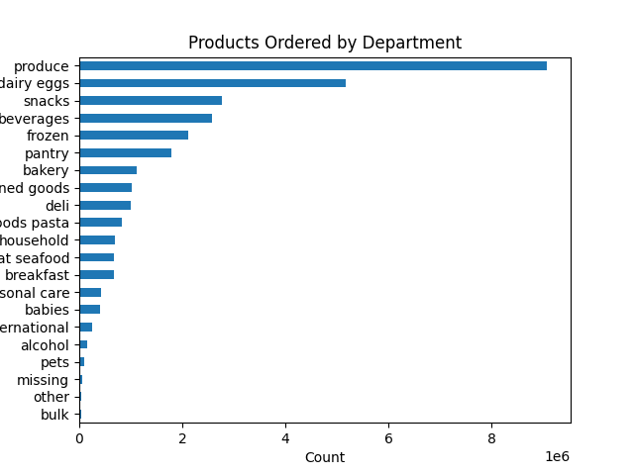

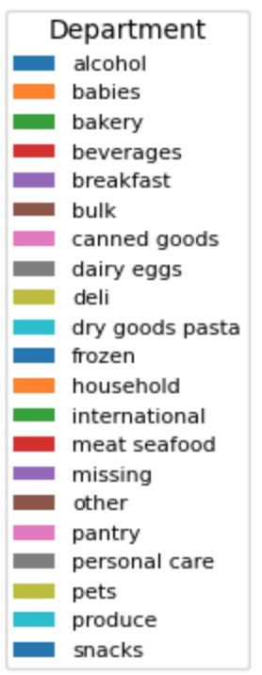
Middle-aged customers dominate orders across most departments, while young adults order the least.
Produce, dairy/eggs, and snacks as the most popular departments, with bulk and alcohol being the least ordered.

Question- 4
What is the distribution among users as to how often they return to Instacart?

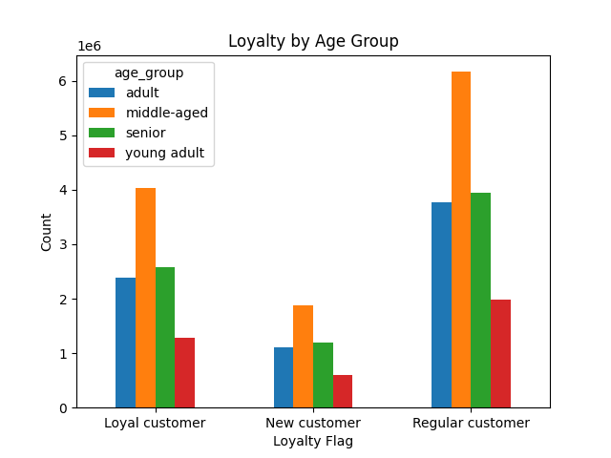
Middle-aged customers are the largest group across all loyalty flags, followed by seniors and adults, while young adults are the smallest.
Middle-income customers dominate all loyalty categories, especially as regular customers, with low- and high-income groups contributing significantly less.
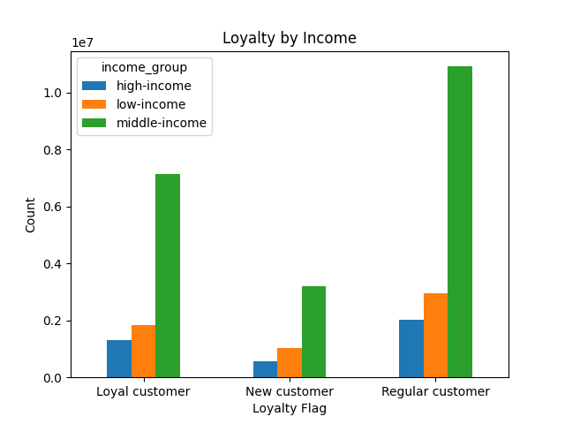

Question- 5
Are there differences in ordering habits based on loyalty status?

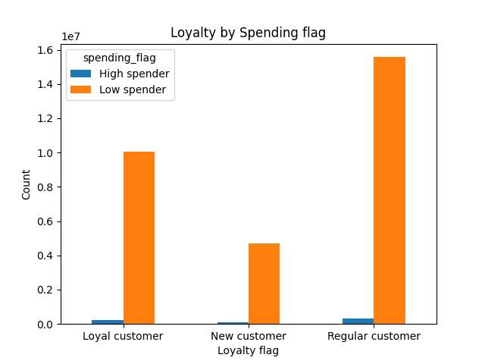
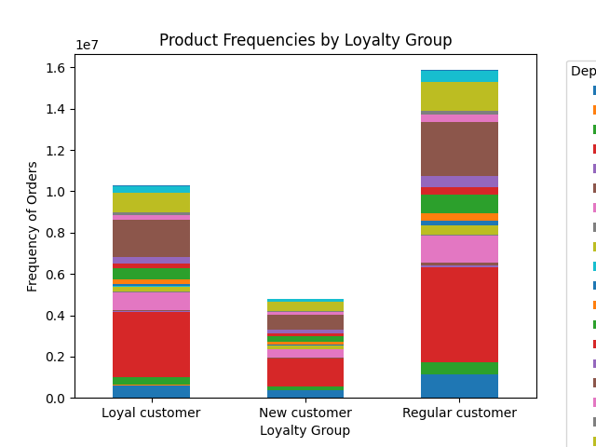

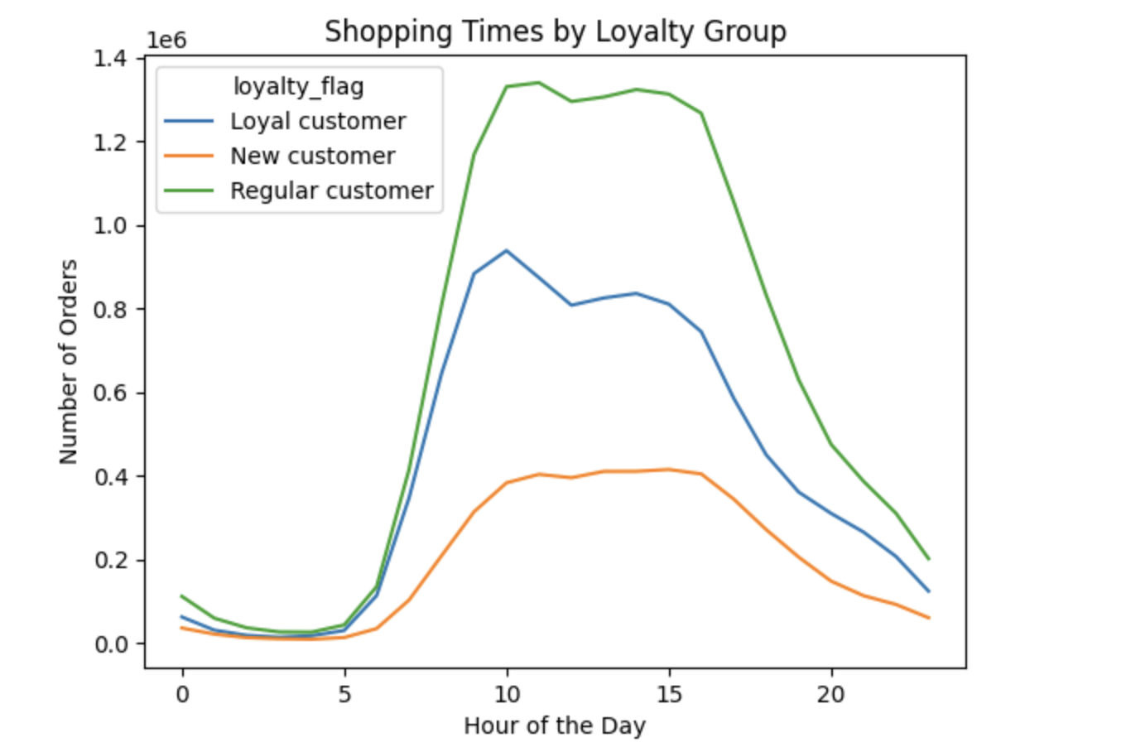
Loyalty by Spending: Low spenders dominate in all loyalty groups, especially among regular and new customers.
Product Frequencies: Loyal customers shop across more departments, while new and regular customers have limited ranges.
Shopping Times: Loyal customers shop consistently, peaking between 10 AM and 3 PM; new customers shop the least.

Question- 6
What different classifications does the demographic information suggest?
Age? Income? Certain types of goods? Family status??

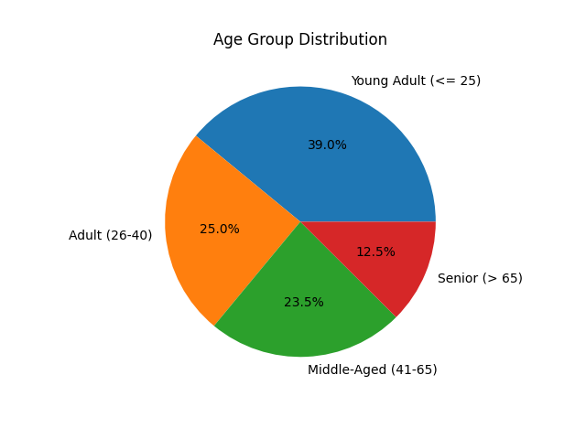

Age vs Income

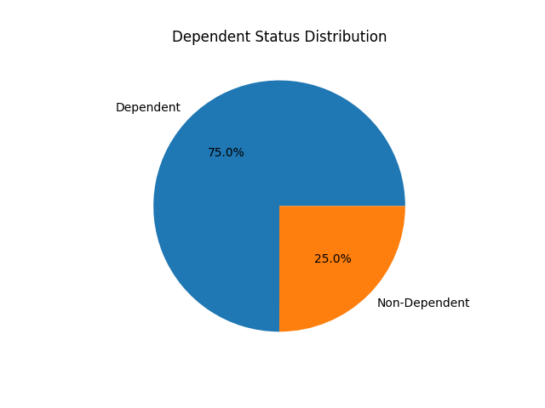

The largest age group is young adults (39%), followed by adults (25%) and middle-aged (23.5%). Dependents dominate at 75%. Higher incomes are more common among middle-aged and seniors.

Question- 7
Is there a connection between age and family status and ordering habits?

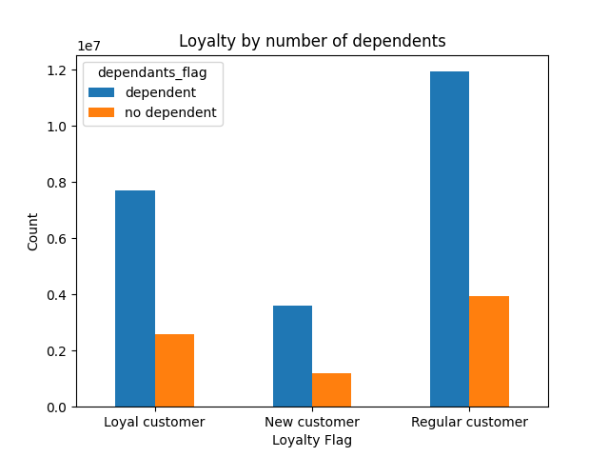
Dependents and middle-aged customers dominate loyalty categories, especially among regular customers. Family status and age strongly influence ordering habits.

7. Recommendations
 |  |  | Title page

Recommendations

In this tab you should include any recommendations you would made to Instcart in terms of their marketing strategy based on the questions posed in the brief. Every key question has been covered in the Tasks of the Exercises - here you need to add an item - a visualisation or table/crosstable that is showing the answer in the data, acompanied by a comment from you. Please, list the questions below and add the answer underneath.

Questions | Answers | Recommendations
What are the busiest days and times for placing orders? | Weekends (Saturday and Sunday) are the busiest days, and late morning to early afternoon (10 AM–1 PM) are the peak hours. | Schedule marketing campaigns, push notifications, and discounts during peak hours and weekends to maximize customer engagement.
Are there specific times of the day when customers spend the most money? | Customers spend the most during late morning to early afternoon hours. | Offer limited-time deals or promotions during peak spending hours to drive higher revenue.
Are there certain products that are more popular than others? | Produce, dairy/eggs, and snacks are the most popular product categories. | Focus marketing efforts on promoting these categories through bundle deals, targeted campaigns, and loyalty rewards.
What is the distribution among users as to how often they return to Instacart? | Most users return regularly within 7–15 days, with variations based on loyalty and demographics. | Offer personalized discounts or reminders to inactive users to encourage them to place repeat orders.
Are there differences in ordering habits based on loyalty status? | Loyal and regular customers contribute the most orders, while new customers have a smaller share of activity. | Enhance loyalty programs for loyal and regular customers and implement onboarding campaigns for new customers to increase their activity.
Is there a connection between age and family status and ordering habits? | Middle-aged customers with dependents are the most frequent and loyal shoppers, while young adults show lower engagement. | Design family-centric marketing campaigns for middle-aged customers and engage young adults through social media and gamification strategies.
What different classifications does the demographic information suggest? | Customers can be classified by age (young adults, adults, middle-aged, seniors), income levels (low, middle, high), dependents, and loyalty status. | Use these classifications to create personalized offers, such as premium products for high-income groups and budget options for low-income customers.

